Website Brief
S.No. | Page | Requirement | Reference
1 | HomePage | Logo on Top left side of the website & Tabs Required: TVs, Air Coolers, Washing Machines, Accessories, About and Support
2 | HomePage | Product Feature Introduction with moving tabs | 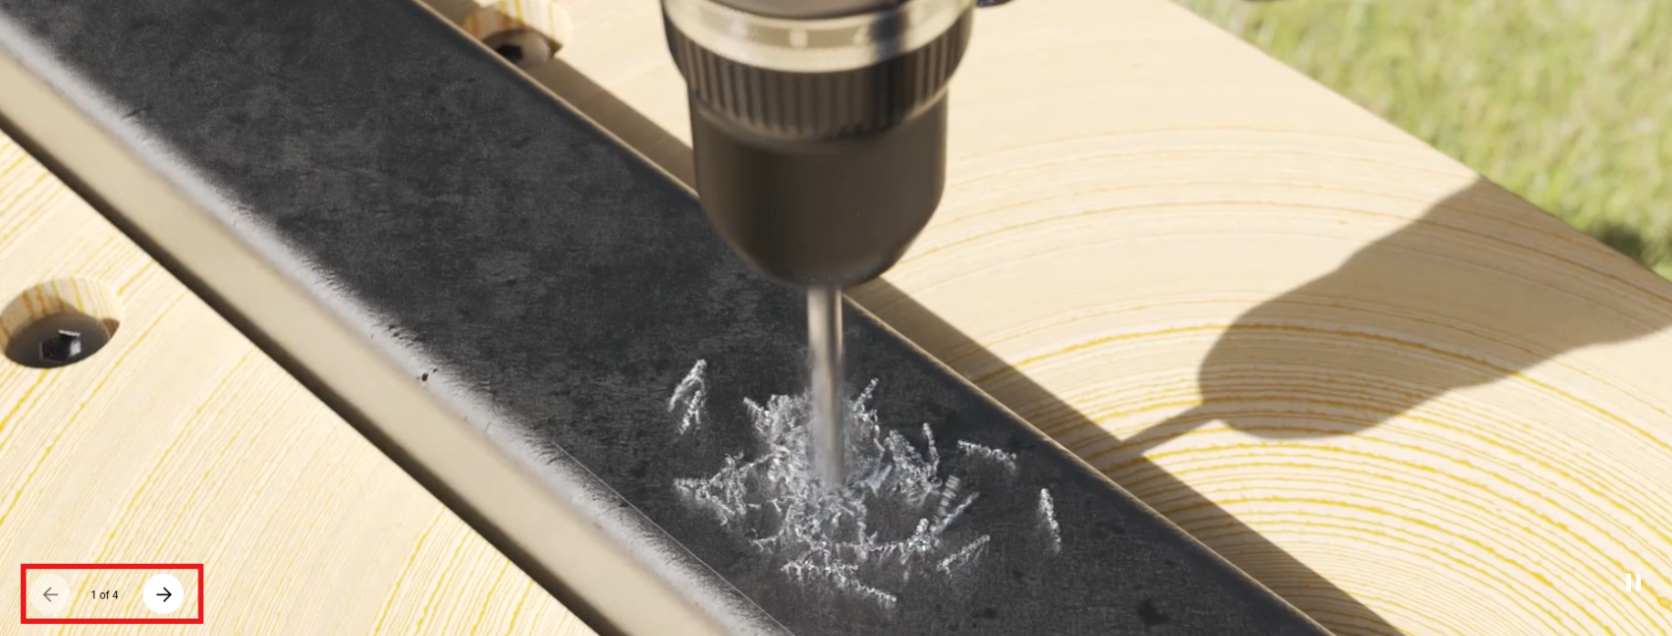
3 | HomePage | Product Series with tabs to click futher for details and model wise split, this can be vertically done | 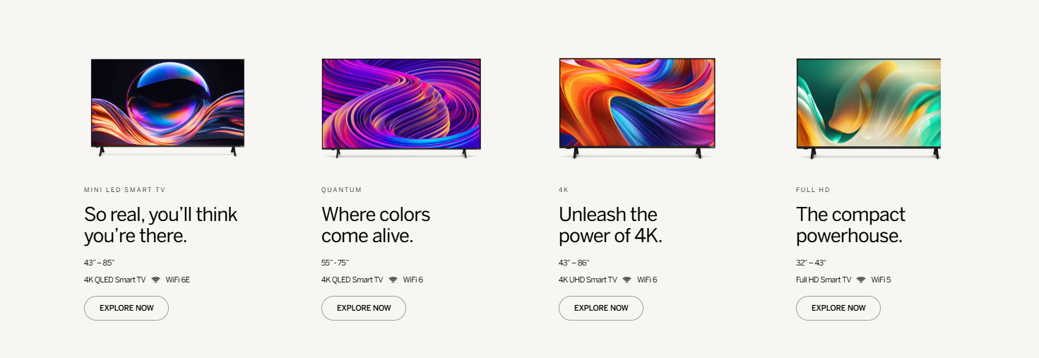 | https://acertvindia.com/product/
4 | HomePage | Product Series of Air Coolers | Details to be shared
5 | HomePage | Product Series of Washing Machines | Details to be shared
6 | About Page | Brand Manifesto | To be defined and put for the product lineup we have.
7 | About Page | A big lifestyl;e picture with categories we have. Currently TV , later we will add Air Coolers. | 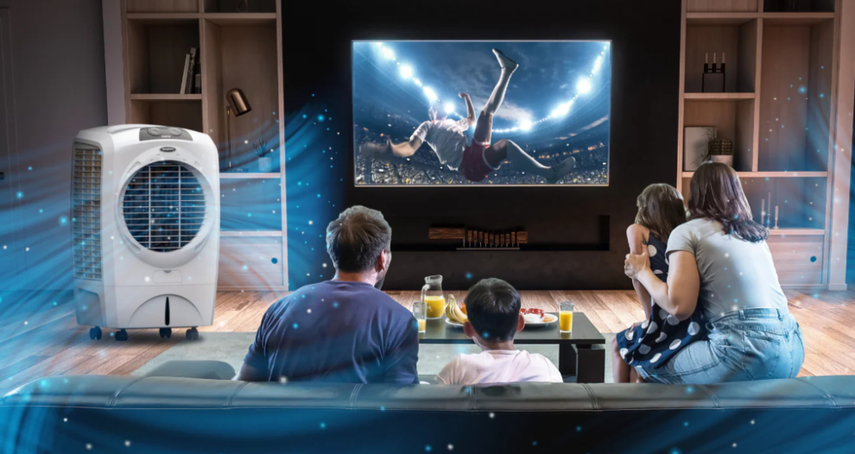
8 | About Page | If we can make similar content which can be our value based. Like Consumer Centric, Innovative, Technology Driven
9 | About Page | Team | 
10 | About Page | Find Your Fit in Our Team | A form with basic details like name, email, contact and resume.
11 | Support Page | 4 Tabs: 1. Raise an Installation/Service Request > which on click leads to a google form. 2. Email Address: For any enquiry. 3. Call Us 4. Business Enquiry email | 1. https://docs.google.com/forms/d/1-rl8pdd3Cd1hJffZR9XPvn1MzcyXANATENd_99oelKY/edit 2. Email: support@voir.co.in 3. Call Us: +91 87408 16000
12 | Support Page | Follow us tags | Instagram: https://www.instagram.com/voir.global/ Facebook: https://www.facebook.com/search/top?q=voirglobal
13 | All Pages | Below we need to give links for E-Waste Management, Privacy Policy, FAQs and Product Manuals.

